indices

 | Iraq Stock Exchange
 | Bulletin No (37)

 | ISX Trading Indices of Thursday 27/2/2025

 | Traded Volume and OTC |  | 363,329,813 |  | Traded Value and OTC |  | 560,117,015 |  | Traders | 408

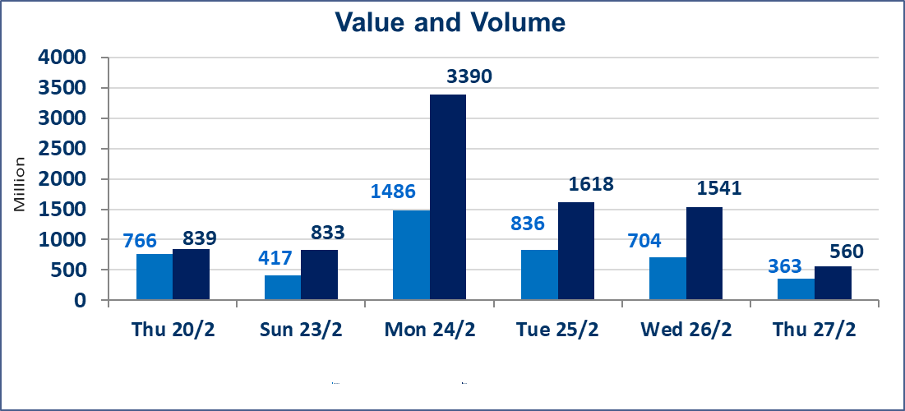
 | ISX Index 60 |  |  | 1043.93 | ISX Index 15 |  |  | 1127.63
 | Previous ISX Index60 |  |  | 1037.76 | Previous ISX Index15 |  |  | 1122.86
 | Change % |  |  | 0.59 | Change % |  |  | 0.42
 | Change |  |  | 6.17 | Change |  |  | 4.77

 | Listed Companies | 104 | OTC | 11 | Non Traded listed | 56 | OTC | 5
 | Traded Listed Companies | 35 | OTC | 1 | Higher Companies |  |  | 4
 | GAM Companies |  |  | 6 | Lower Companies |  |  | 10
 | Suspended Companies |  |  | 7
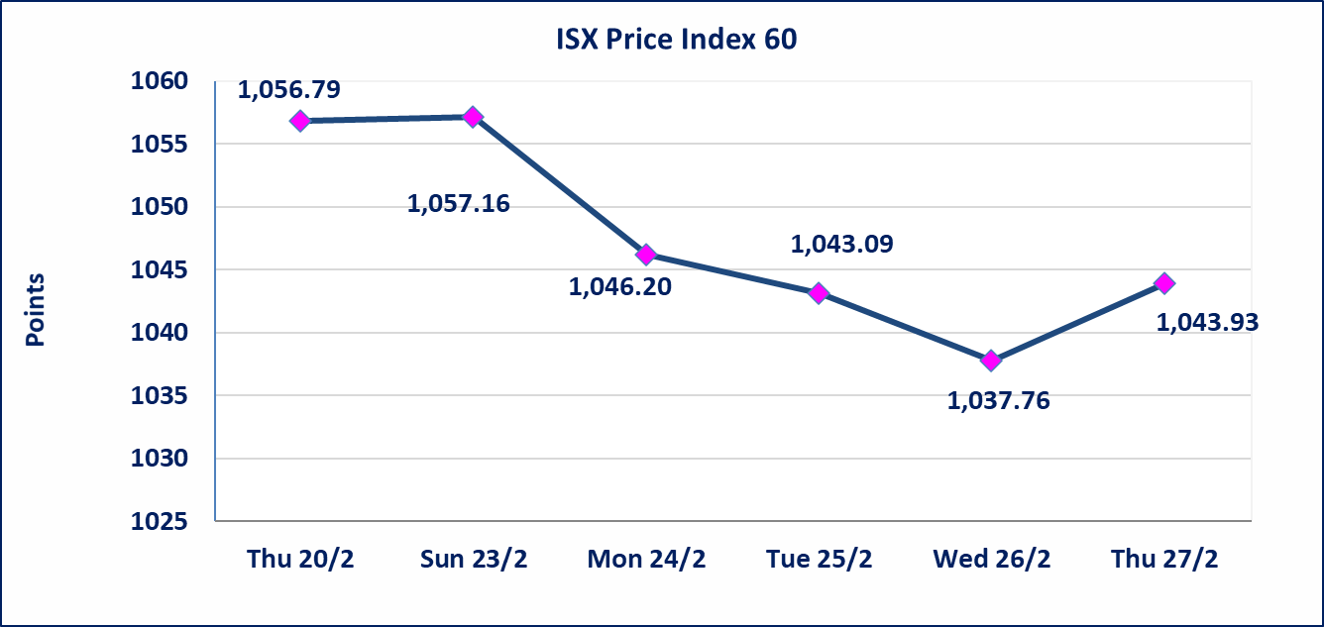
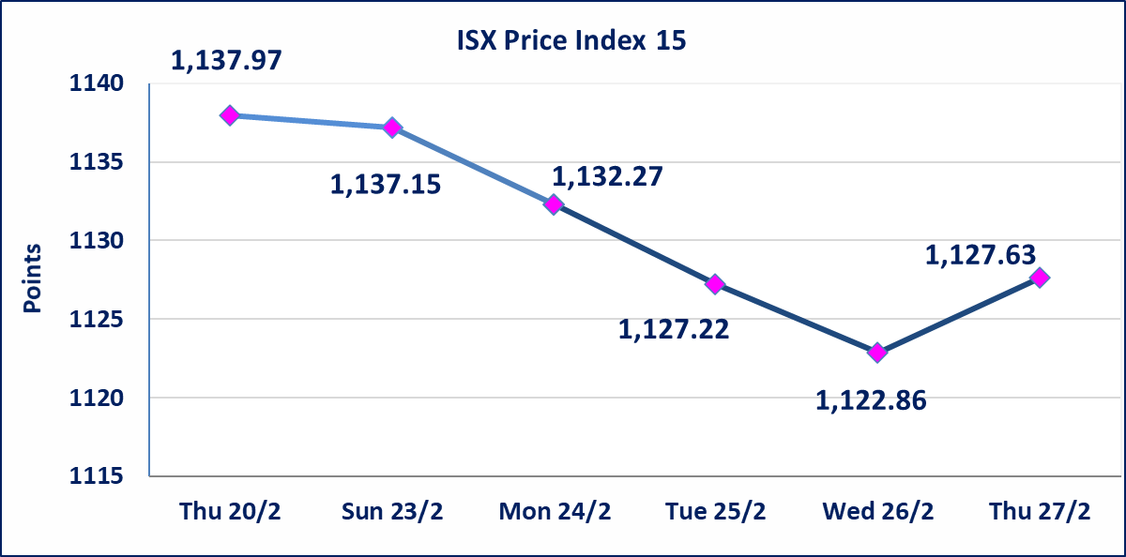

Al-Alwiya P.O . 3607 Mobile: 07711211522 - 07270094594 - 07834000034 E-mail: info-isx@isx-iq.net Web site:www.isx-iq.net

top 5
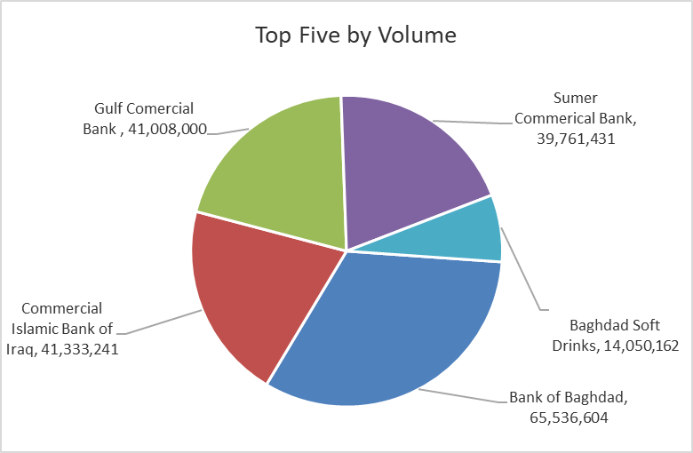
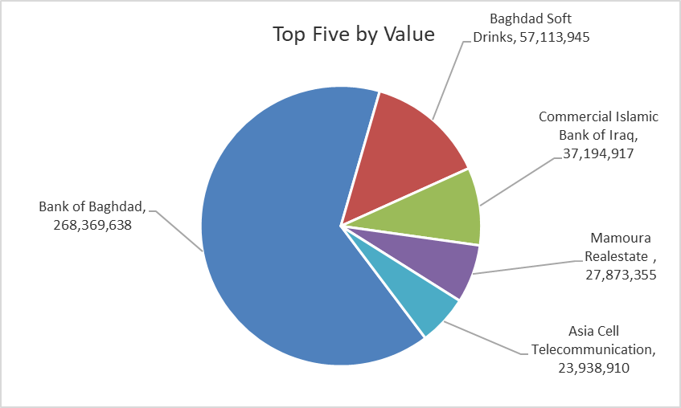
ISX top ganing and losing companies
Thursday 27/2/2025
Gainers |  |  |  | Losers
Company Name | Closing Price | Change (%) | Traded Volume | Company Name | Closing Price | Change (%) | Traded Volume
Mamoura Realestate | 4.840 | 13.88 | 5,927,846 | united Bank For Invistment | 0.090 | -10.00 | 100,000
Baghdad Soft Drinks | 4.100 | 1.74 | 14,050,162 | Iraqi Carton Manufacturies | 1.350 | -6.90 | 200,000
Asia Cell Telecommunication | 11.740 | 0.34 | 2,038,129 | Modern Sewing | 9.100 | -6.57 | 505,001
Bank of Baghdad | 4.120 | 0.24 | 65,536,604 | National Chemical &Plastic Industries | 1.950 | -3.94 | 1,595,840
 |  |  |  | Iraq Baghdad For General Transportation | 26.000 | -2.99 | 563,522

The most active companies in term of traded volume and value

Traded Volume |  |  |  | Traded Value
Company Name | Closing Price | Change (%) | Traded Volume | Company Name | Closing Price | Change (%) | Traded Value
Bank of Baghdad | 4.120 | 0.24 | 65,536,604 | Bank of Baghdad | 4.120 | 0.24 | 268,369,638
Commercial Islamic Bank of Iraq | 0.900 | 0.00 | 41,333,241 | Baghdad Soft Drinks | 4.100 | 1.74 | 57,113,945
Gulf Comercial Bank | 0.450 | 0.00 | 41,008,000 | Commercial Islamic Bank of Iraq | 0.900 | 0.00 | 37,194,917
Sumer Commerical Bank | 0.090 | 0.00 | 39,761,431 | Mamoura Realestate | 4.840 | 13.88 | 27,873,355
Baghdad Soft Drinks | 4.100 | 1.74 | 14,050,162 | Asia Cell Telecommunication | 11.740 | 0.34 | 23,938,910

non Iraqis

Iraq Stock Exchange
Non Iraqis' Bulletin Thursday Feb 27 2025
Regular Market

Non Iraqi Trading of Regular Market (Buy)
Company Names | Code | No.of trades | Traded Shares | Trading Volume
Banks Sector
Bank Of Baghdad | BBOB | 19 | 25,000,000 | 102,472,741
Total Bank sector |  | 19 | 25,000,000 | 102,472,741
Telecommunication Sector
Asia cell | TASC | 6 | 300,000 | 3,524,000
Total Telecommunication sector |  | 6 | 300,000 | 3,524,000
Grand Total |  | 25 | 25300000 | 105996741

Non Iraqi Trading of Regular Market (Sell)
Company Names | Code | No.of trades | Traded Shares | Trading Volume
Banks Sector
Bank Of Baghdad | BBOB | 1 | 700,000 | 2,877,000
Total Bank sector |  | 1 | 700,000 | 2,877,000
Grand Total |  | 1 | 700000 | 2877000

